1. Title Page
Instacart Basket Analysis

Project Name: Instacart Basket Analysis
Date: May 7, 2022
Analyst Name: Dave Bennett

Contents:
Population Flow
Consistency checks
Wrangling steps
Column derivations
Visualizations
Recommendations

Data used: “The Instacart Online Grocery Shopping Dataset 2017”, Accessed from https://www.instacart.com/datasets/grocery-shopping-2017 on 4/1/2022.

2. Population Flow
Title page

Population flow

Exclusion flag
Condition: max_order < 5
Obervations to be removed: 'low activity' customers
Final total count of order_products_all: 30959687

Orders_products_combined
Orders_products_merged
Orders_products_all

Total: 32404859
Total: 32434489
Total: 32399732

1.) The grey boxes in the first row of the population flow represent the original data sets as they were when you downloaded them. In the Total fields you need to add the count of the rows when you imported the data set into Jupyter.
2.) The second row of boxes (coloured) represents the data sets after you manipulated them, e.g., removed missing values and duplicates. In the Total fields you need to add the count of the rows after conducting these operations. This offers a visual oveview of how the data flows throughout the data consistency checks.
3.) The third row, where also the arrows are coloured, represents the merges you performed between the datasets. In the Total fields you need to add the count of the rows in the merged datasets, so that you end up with the final dataset (in the red box). Keep in mind the final dataset should be without exclusions (based on the exclusion flag).

3. Consistency checks
 |  |  |  |  | Title page
Consistency checks

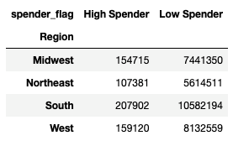
 |  |  |  | Crosstab of Region and spender_flag
Dataset | Missing values | Missing values treatment | Duplicates
orders | 206209 from days_since prior_order | Create new variable that acts like flag, 'first order' | No duplicates |  |  | *This cross tab shows breakdown of high and low spenders by region
products | 16 from product_name | Create subset w/out missing values | 5 duplicates removed
orders_products_prior
customers
ords_prods_merged | converted 'prices' values over 100 to nan

4. Wrangling steps
 |  |  |  | Title page
Wrangling steps

Columns dropped | Columns renamed | Columns' type changed | Comment/Reason
evals_set (from orders) |  |  | not needed for analysis
 | order_dow (orders) |  | renamed to orders_day_of_week
 |  | order_id changed to str | not to be included in descriptive stats
 | fam_status (customers) |  | renamed to marital_status
_merged (ords_prods_merged) |  |  | dropped in order to create merge flag when merging w/customer df
First Name (ords_prods_all) |  |  | protect PII
Surnam (ords_prods_all) |  |  | protect PII

5. Column derivations
 |  |  |  | Title page

Column derivations and aggregations

In this tab you should add tables below that the frequences of flags/label variables that you produced after deriving them. NB: don't do this for continuous variables, only for flags.
Dataset | New column | Column/s it was derived from | Conditions
orders_checked | first_order | days_since_prior order | 'True' if missing value from previous column
orders_products_merged | Busiest_day* (replaced by busiest_days column) | orders_day_of_week | Busiest day'= day with most orders 'Least busy'= day with lowest orders 'Regular busy'= all other days
orders_products_merged | price_label | prices | high-range product' = products > 15 'low-range product = products < =5 'mid-range product' = products <= 15 & >5
orders_products_merged | Busiest_days | orders_day_of_week | busiest days'= top 2 busiest days 'slowest days' = bottome 2 busiest days 'regular busy'= all other days
orders_products_merged | busiest_period_of_day | order_hour_of_day | most orders' = top 2 busiest hours 'fewest orders'= bottom 4 busiest hours 'average orders'= all other hours
orders_products_merged | loyalty_flag | max_order | Group customers by loyalty loyal customer = max orders > 40 regular customer = max orders >10 and <=40 new customer = max orders <= 10
orders_products_merged | spender_flag | prices | Group customers by spending habits low spender= price of products < 10 high spender= price of products >= 10
orders_products_merged | order_frequency | days_since_prior order | marks regularity of users order behavior according to median of days_since_prior order
orders_products_merged | order_frequency_flag | order_frequency | Sort customers by order frequency non-frequent customer = median of days_since_prior_order >20 Regular customer = median <= 20 and > 10
ords_prods_all | Region | State | Group customers by geographic region
ords_prods_all | activity_flag | max_order | Sort customers by low/normal activity normal activity >= 5 orders low activity < 5 orders
ords_prods_all | region | STATE | states group into geographic regions
ords_prods_all | age_group | age | Users grouped into age groups: young adult= 18-40 middle age= 41-65 senior = 66+
ords_prods_all | income level | income | Users grouped into income level groups: low income= <= 56410 middle income >56410 and <=142422 high income >142422
ords_prods_all | family_status_loc | n_dependents | Users grouped into either parent or not a parent depending on if they have dependents
ords_prods_all | department | department_id | lists name of department based on department id

6. Visualizations
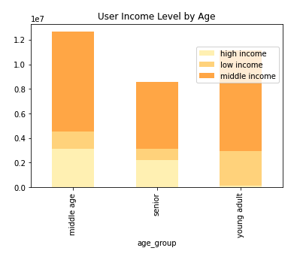
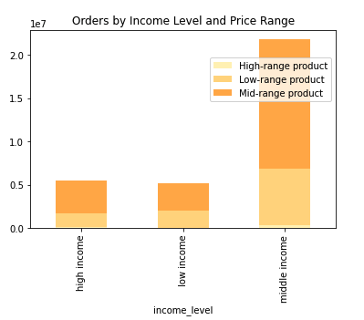
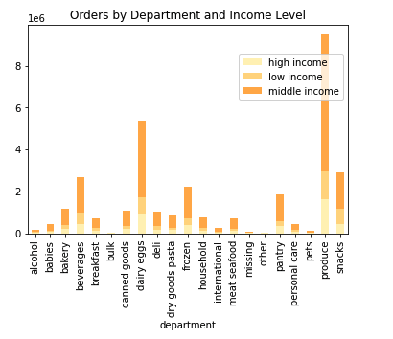
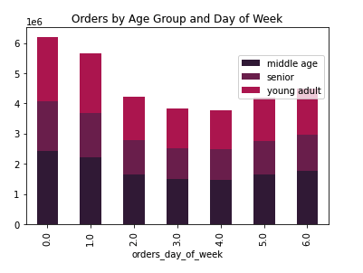
 |  | Title page

Visualisations

In this tab you should include all the visualtions from Exercises 4.9 and 4.10, alongside the questions from the project brief that they answer. Include any commentary on the relationship between different variables.

The sales team needs to know what the busiest days of the week and hours of the day are (i.e., the days and times with the most orders) in order to schedule ads at times when there are fewer orders. |  |  | The marketing and sales teams are particularly interested in the different types ofcustomers in their system and how their ordering behaviors differ.

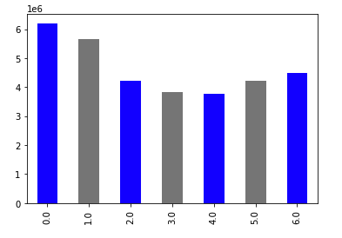

 |  |  | What’s the distribution among users in regards to their brand loyalty (i.e., how often do they return to Instacart)?

 | Busiest days of the week are Saturday and Sunday
 | Least busiest days are Tuesday and Wednesday |  | Are there differences in ordering habits based on a customer’s loyalty status?

 |  |  | Are there differences in ordering habits based on a customer’s region?

 |  |  | Is there a connection between age and family status in terms of ordering habits?

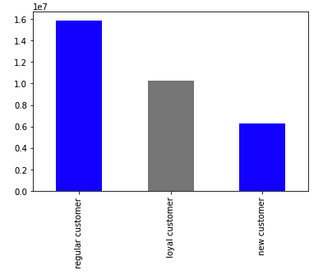

 |  |  |  |  | Distribution among users regarding brand loyalty. Most customers qualify as "regular customers".

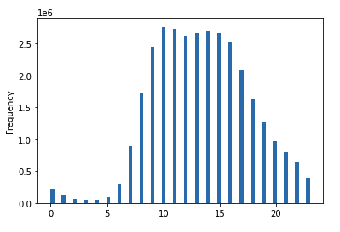

 | Histogram showing frequency of orders for each hour of the day

They also want to know whether there are particular times of the day when people spend the most money, as this might inform the type of products they advertise at these times.
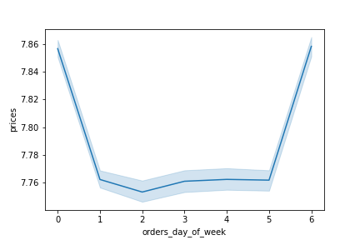
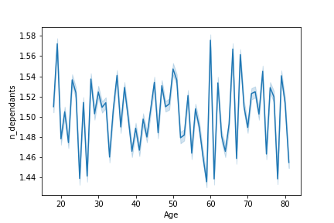
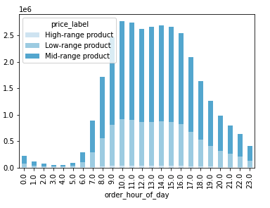
 |  |  |  |  | There is not a connection between age and family status (number of dependents)

 | Include this chart? Seems to display wrong data

 | Although the busiest days of the week are Saturday and Sunday, they days when customers spend the most are Friday and Saturday

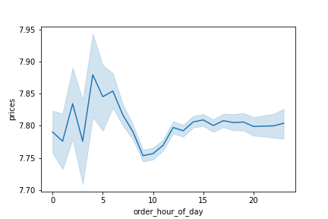

 | Line chart showing when customers spend most/least (hour of day) Customers spend the most around 5:00am and the least around 9:00am. |  |  |  | However, there is a connection between age and income



Instacart has a lot of products with different price tags. Marketing and sales want to use simpler price range groupings to help direct their efforts.

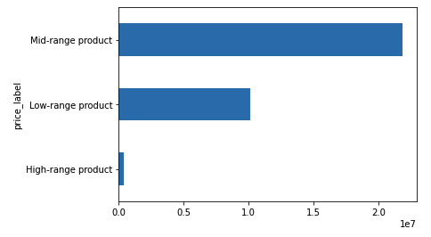

 | Histogram of product prices

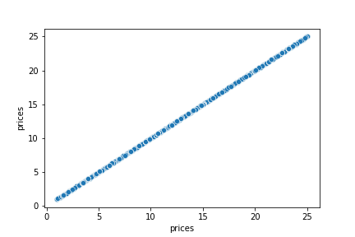

 | Scatterplot to check for outliers in prices coloum
 | Outliers have been removed- visual shows no outliers

Are there certain types of products that are more popular than others? The marketing and sales teams want to know which departments have the highest frequency of product orders.
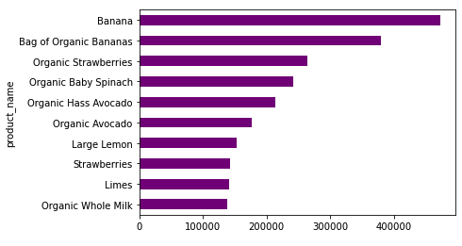
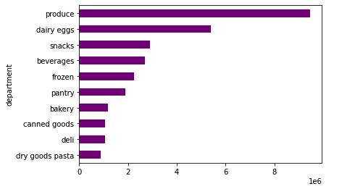

 | Top 10 most popular products |  |  | Top 10 most popular departments

The marketing and sales teams are particularly interested in the different types of customers in their system and how their ordering behaviors differ. For example: ● What’s the distribution among users in regards to their brand loyalty (i.e., how often do they return to Instacart)?

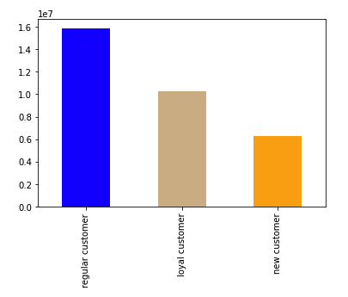
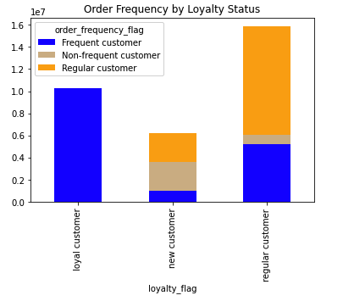

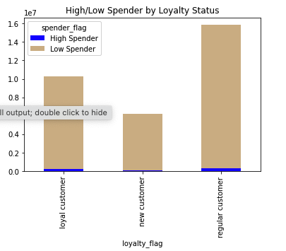
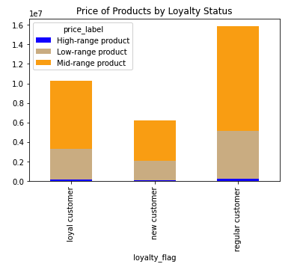
● Are there differences in ordering habits based on a customer’s loyalty status?

● Are there differences in ordering habits based on a customer’s region?
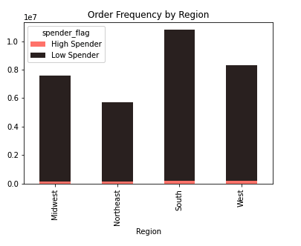
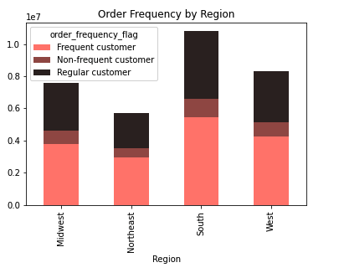

●What different classifications does the demographic information suggest? Age? Income? Certain types of goods? Family status?

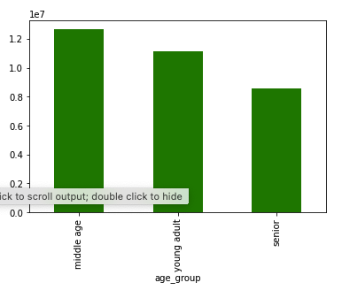
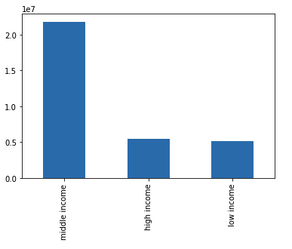
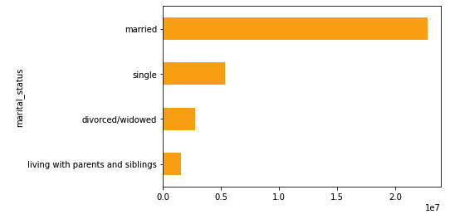

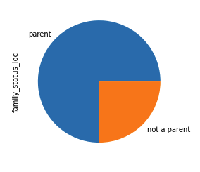

● Is there a connection between age and family status in terms of ordering habits?

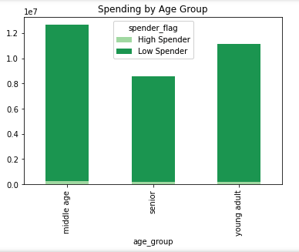
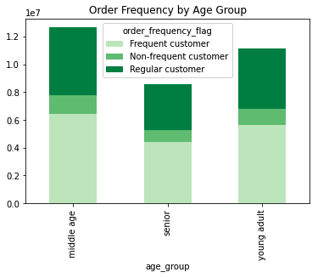
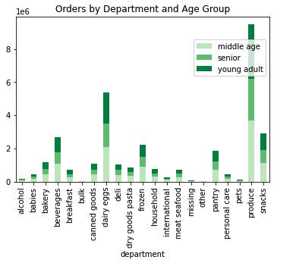

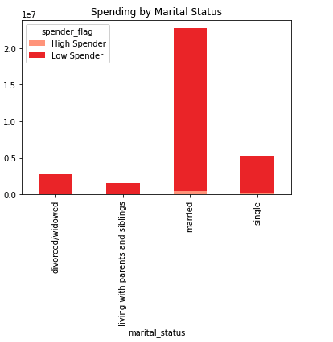
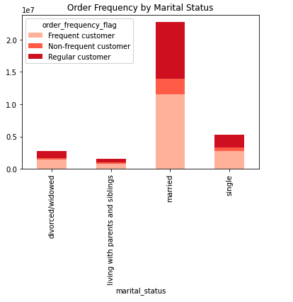
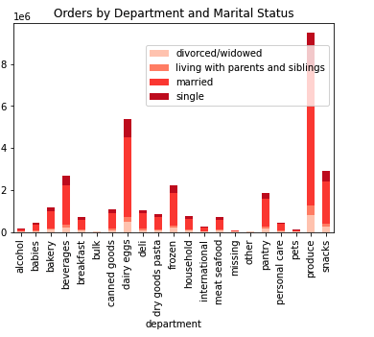

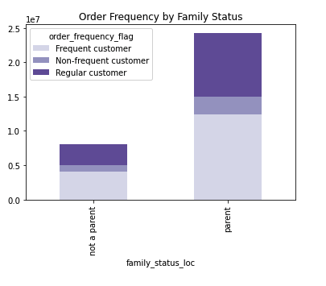
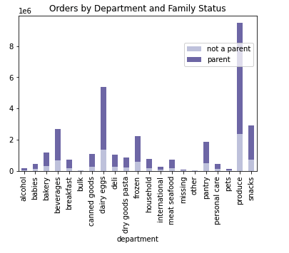
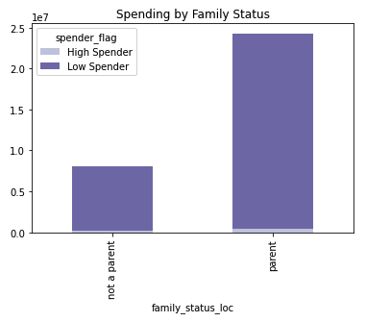

What differences can you find in ordering habits of different customer profiles? Consider the price of orders, the frequency of orders, the products customers are ordering, and anything else you can think of.

7. Recommendations
 |  |  | Title page

Recommendations

In this tab you should include any recommendations you would made to Instcart in terms of their marketing strategy based on the questions posed in the brief. Every key question has been covered in the Tasks of the Exercises - here you need to add an item - a visualisation or table/crosstable that is showing the answer in the data, acompanied by a comment from you. Please, list the questions below and add the answer underneath.

Question
The sales team needs to know what the busiest days of the week and hours of the day are (i.e., the days and times with the most orders) in order to schedule ads at times when there are fewer orders.
Answer: The busiest days of the week are Saturday and Sunday. The busiest time of the day is between 10:00am and 3:00pm.
Recommendations: Advertisements should be scheduled during weekday afternoons, after 3:00pm.

They also want to know whether there are particular times of the day when people spend the most money, as this might inform the type of products they advertise at these times.
Answer: Customers tend to spend the most between the hours of 10:00am and 4:00pm. As expected, this lines up with the busiest hours of the day.
Recommendations: Most products sold during this time fall under the 'mid-range' product grouping. Therefore, mid-range priced products should be advertised during this time.

Instacart has a lot of products with different price tags. Marketing and sales want to use simpler price range groupings to help direct their efforts.
Answer: Products have been grouped by price into three different categories: "low-range product", "mid-range product", and "high-range product"
"Low-range product" = price <= $5 "Mid-range product" = price >$5 and <= $15 "High-range product" = price > $15 | Most products fall into the 'mid-range' group | Histogram showing frequency of products by price
Are there certain types of products that are more popular than others? The marketing and sales teams want to know which departments have the highest frequency of product orders.
Answer: Produce is by far the most popular department and type of product sold. At the top of the list of products are bananas (organic and non), followed by organic strawberries, baby spinach, and avocados. The top Departments are: Produce, Dairy Eggs, Snacks, Beverages, and Frozen.
Recommendations: Organic products sell very well and top the list of best selling products. Adding more organic products could bolster sales.
Top 10 most popular products: | Top 10 most popular departments
The marketing and sales teams are particularly interested in the different types of customers in their system and how their ordering behaviors differ. For example: ● What’s the distribution among users in regards to their brand loyalty (i.e., how often do they return to Instacart)?
Answer: Most users are considered 'regular customers' meaning that they have placed between 11 and 40 orders. In addition to placing the most orders, "loyal customers" also have the highest frequency of orders. In terms of order frequency, all loyal customers are also considered frequent customers. Regular customers are a mix, with the majority having an average frequency of orders. New customers are also a mix, with the majority considered non frequent customers.
Recommendations: In an effort to encourage "regular customers" to order more, incentives such as discounts could be awarded when a customer reachs 40, 50, 60, etc orders. There is a large "regular customer" pool that has potential to become a more loyal/frequent customer.
Loyal customers = User with over 40 orders Regular customer = User with between 11 and 40 orders New Customer= User with 10 or less orders
● Are there differences in ordering habits based on a customer’s loyalty status?
Answer: Regardless of loyalty status, most users fall into the 'low spender' category. However, it should be noted that there are more high spenders in the loyal and regular customer loyalty groups. Regardless of loyalty status, most customers purchase mid-range products the most, followed by low-range products. All three groups of customers purchase relatively small amounts of high-range products.

● Are there differences in ordering habits based on a customer’s region?
Answer: In terms of spending, there is not a considerable difference in high/low spending amongst users of different regions. The South does have more high and low spenders, but that is due to that region having a higher number of users in general. All regions also have relatively consistent order frequencies.

●What different classifications does the demographic information suggest? Age? Income? Certain types of goods? Family status?
Answer: Users have been grouped into several differetn customer profiles/classifications. They are grouped by: ● Age group ● Income level ● Marital Status ● Family Status (have children or not) See below for distribution of users by each profile
Most users are middle aged, middle income, married, and have children. See below for a breakdown of purchasing of different goods.

● Is there a connection between age and family status in terms of ordering habits?
Answer: Users of all age groups are overwhelmingly considered low spenders, and does not seem to be a connection between age and how much a user spends. ● Middle age users have a slightly higher number of frequent customers. Middle age users primarily purchase produce and eggs. ● Married users make up the majority of users. They are also most likely to be regular customers. They primarily purchase produce, eggs, and snacks. ● Parents follow very similar patterns as married users. This can be assumed because most married users are also parents.

What differences can you find in ordering habits of different customer profiles? Consider the price of orders, the frequency of orders, the products customers are ordering, and anything else you can think of.
Answers: See above for ordering habits based on age, marital status, and family status. ● Higher income users tend to be ither middle age or seniors. ● There does not seem to be a difference in when different age groups place their orders. All age groups follow the same trends (as discussed above).
Recommendations: Currently, high income users mostly purchase low and mid-range products. There is potential to target those high income users (whom are generally older) to purchase more high range products.

